Summary
 |  | Missouri Public Library Survey 2016 Data

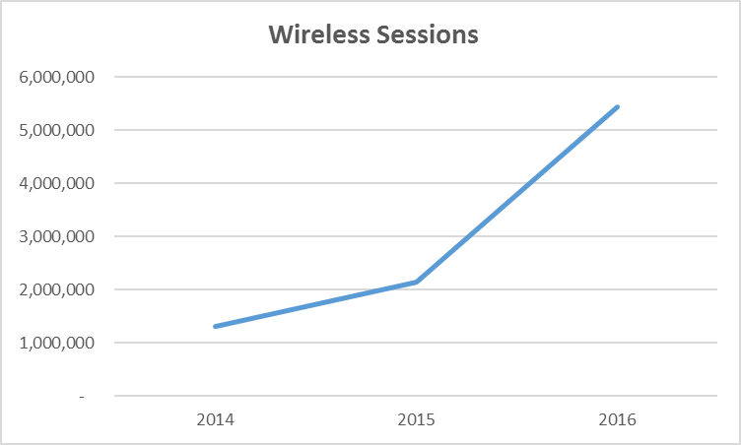
Customers |  | Trends | Operations
Registered borrowers | 3,272,652 |  | Revenue |  | $256,778,041
Library Service Area Population | 5,476,144 |  |  | Local | $233,543,540
Without public library service | 512,783 |  |  | Other | $16,282,006
 |  |  |  | State | $3,560,974
 |  |  |  | Federal | $3,391,529
Services |  |  | Per capita revenue |  | $46.89
Annual visits | 27,065,546
Virtual visits | 17,606,806 |  | Expenses |  | $241,031,446
Internet sessions | 5,397,549 |  |  | Staff | $139,977,113
WiFi uses | 5,432,657 |  |  | Collection | $35,859,601
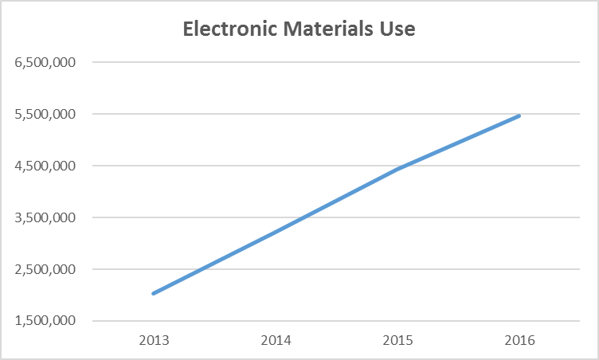
Programs | 99,472 |  |  | Operating | $65,194,732
Children's | 50,773 |  | Per capita expenses |  | $44.01
Youth | 7,079
Adult | 41,620
Program attendance | 2,338,514
Children's | 1,658,503 |  | Collections
Youth | 155,837 |  | Physical materials |  | 18,195,674
Adult | 524,174 |  |  | Audio | 963,456
Hours open per week | 17,354 |  |  | Video | 1,213,287
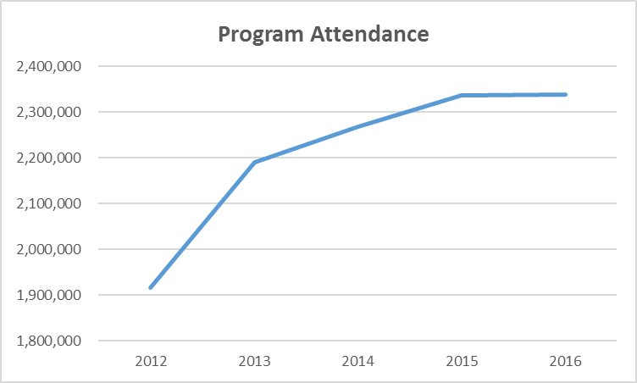
Reference transactions | 3,416,557
 |  |  | Electronic Materials |  | 773,481
 |  |  |  | Ebooks | 497,863
Library |  |  | Downloadable Audio |  | 236,752
Districts | 148 |  | Downloadable Video |  | 38,866
Physical locations | 363 |  | MOLIB2GO Consortia |  | 33,269
Bookmobiles | 25 |  | Databases |  | 2,628
Staff (FTE) | 3,193 |  | Electronic subscriptions |  | 2,728

Missouri Public Library Survey, 2016

This summary is in a new format, designed to be more user-friendly.

Public libraries in Missouri are required by statute 181.021 RSMO and US Congress (P.L. 103-382, Title IV, National Education Statistics Act of 1994, Sec. 404(a)) to submit annual data. This submission is required in order to be eligible for State Aid funding. The data received from the libraries is used by policy makers at the local, state, and national level.

Each library submits data based on their most recently completed fiscal year, which for 2016 ranged from January 1, 2015 to October 31, 2016. Only one of the 148 library districts did not report in 2016 (library was closed for repair). The data is publicly available at the Missouri State Library: Library Statistics webpage (http://www.sos.mo.gov/library/development/statistics/default) or by request from:

Missouri State Library
Library Development
Terry Blauvelt
149 Park Central Square, Suite 624
Springfield, MO 65806
(417)895-6670
terry.blauvelt@sos.mo.gov

Report format developed by Joe Manion at the Minnesota Department of Education

