Summary
 |  | Missouri Public Library Survey 2018 Data

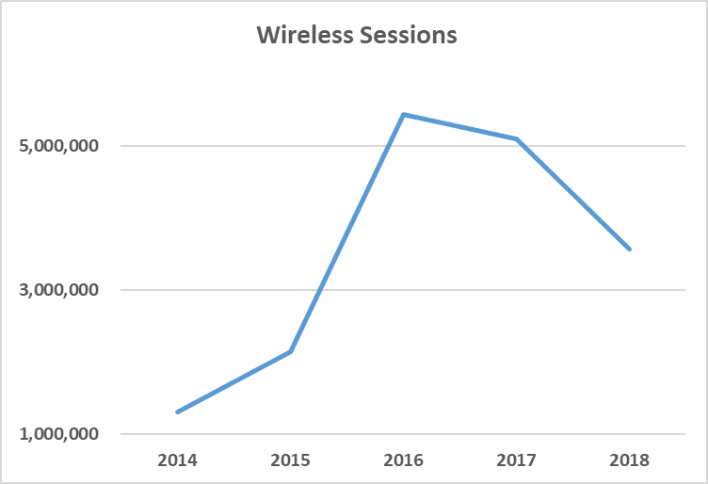
Customers |  | Trends | Operations
Registered borrowers | 3,177,377 |  | Revenue |  | $280,327,424
Library Service Area Population | 5,483,526 |  |  | Local | $260,410,598
Without public library service | 505,401 |  |  | Other | $15,099,355
 |  |  |  | State | $2,602,035
 |  |  |  | Federal | $2,215,436
Services |  |  | Per capita revenue |  | $51.12
Annual visits | 24,664,303
Virtual visits | 24,221,825 |  | Expenses |  | $250,316,439
Internet sessions | 4,601,200 |  |  | Staff | $147,006,539
WiFi uses | 3,571,845 |  |  | Collection | $37,376,392
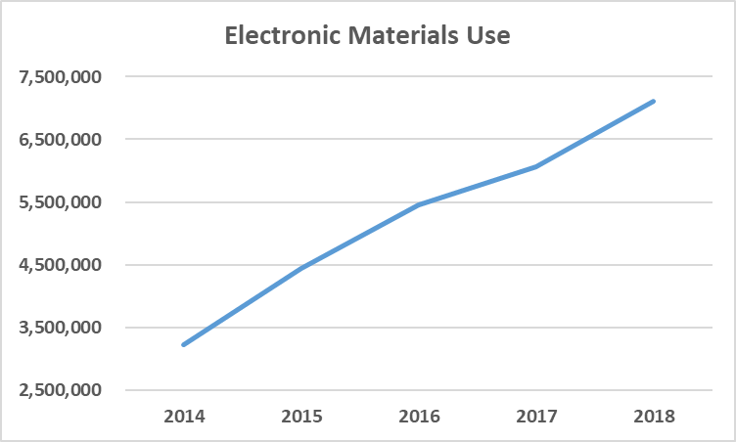
Programs | 112,864 |  |  | Operating | $65,933,508
Children's | 59,870 |  | Per capita expenses |  | $45.65
Youth | 7,140
Adult | 45,854
Program attendance | 2,541,302
Children's | 1,865,415 |  | Collections
Youth | 129,596 |  | Physical materials |  | 15,938,892
Adult | 546,291 |  |  | Audio | 954,143
Hours open per week | 17,429 |  |  | Video | 1,320,626
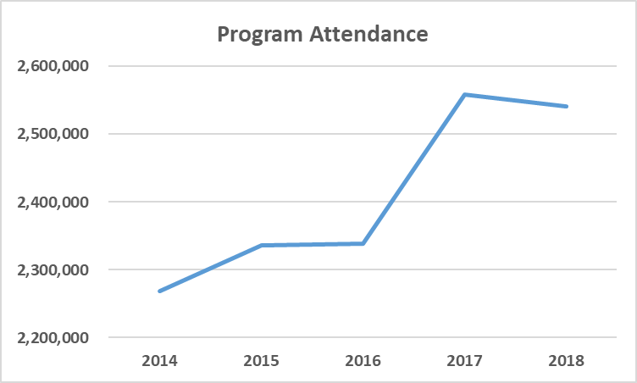
Reference transactions | 2,971,136
 |  |  | Electronic Materials |  | 912,388
 |  |  |  | Ebooks | 643,505
Library |  |  | Downloadable Audio |  | 245,120
Districts | 151 |  | Downloadable Video |  | 23,763
Physical locations | 367 |  | MOLIB2GO Consortia |  | 37,806
Bookmobiles | 23 |  | Databases |  | 2,576
Staff (FTE) | 3,167 |  | Electronic subscriptions |  | 2,300

Missouri Public Library Survey, 2018

Public libraries in Missouri are required by statute 181.021 RSMO and US Congress (P.L. 103-382, Title IV, National Education Statistics Act of 1994, Sec. 404(a)) to submit annual data. This submission is required in order to be eligible for State Aid funding. The data received from the libraries is used by policy makers at the local, state, and national level.

Each library submits data based on their most recently completed fiscal year, which for 2018 ranged from January 1, 2017 to October 31, 2018. Only one of the 151 library districts did not report in 2018. The data is publicly available at the Missouri State Library: Library Statistics webpage (http://www.sos.mo.gov/library/development/statistics/default) or by request from:

Missouri State Library
Library Development
Terry Blauvelt
149 Park Central Square, Suite 624
Springfield, MO 65806
(417)895-6670
terry.blauvelt@sos.mo.gov

Report format developed by Joe Manion at the Minnesota Department of Education

