Statewide Summary
 |  | Missouri Public Library Survey 2024 Data

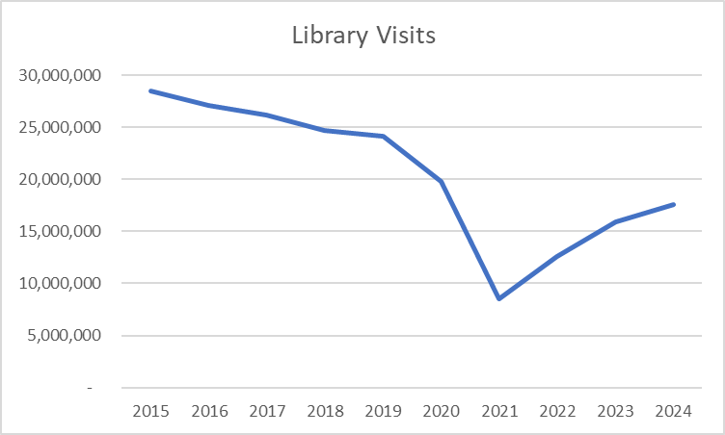
Customers |  | Trends | Operations
Registered borrowers | 3,365,525 |  | Revenue |  | $377,486,924
Library Service Area Population | 5,668,852 |  |  | Local | $331,782,710
Without public library service | 486,061 |  |  | Other | $34,336,642
 |  |  |  | State | $7,984,453
Services |  |  |  | Federal | $3,383,119
Annual visits | 17,550,385 |  | Per capita revenue |  | $66.59
Annual Circulation | 48,843,591
Internet sessions | 2,065,812 |  | Expenses |  | $329,422,815
WiFi uses | 11,197,702 |  |  | Staff | $194,982,258
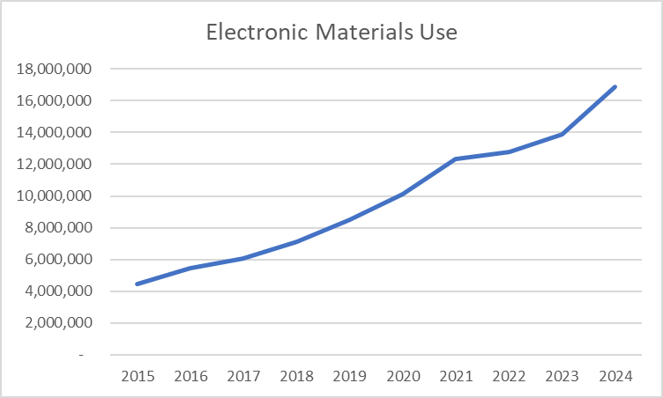
Programs | 86,664 |  |  | Collection | $41,663,250
Early Literacy | 24,539 |  |  | Operating | $92,777,307
Children's | 22,697 |  | Per capita expenses |  | $58.11
Young Adult | 9,157
Adult | 27,187
General Interest | 3,084
Program attendance | 1,837,045 |  | Collections
Early Literacy | 562,296 |  | Number Physical materials
Children's | 626,982 |  |  | Print Books | 14,089,016
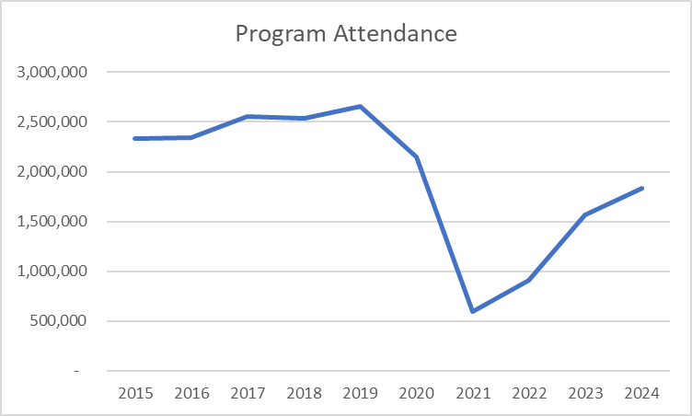
Young Adult | 113,992 |  |  | Video | 705,597
Adult | 404,355 |  |  | Audio | 1,281,378
General Interest | 129,420 |  |  | Other Physical | 87,347
Hours open per week | 17,309
Reference transactions | 1,989,517 |  | Electronic Circulation
 |  |  |  | eBooks | 7,072,123
Library |  |  |  | eAudio | 8,260,661
Districts | 150 |  |  | eVideo | 426,133
Physical locations | 371 |  |  | eSerials | 1,145,028
Bookmobiles | 20
Staff (FTE) | 3,258

Missouri Public Library Survey, 2024

Public libraries in Missouri are required by statute 181.021 RSMO and US Congress (P.L. 103-382, Title IV, National Education Statistics Act of 1994, Sec. 404(a)) to submit annual data. This submission is required in order to be eligible for State Aid funding. The data received from the libraries is used by policy makers at the local, state, and national level.

Each library submits data based on their most recently completed fiscal year, which for 2024 ranged from January 1, 2023 to October 31, 2024. The data is publicly available at the Missouri State Library: Library Statistics webpage (http://www.sos.mo.gov/library/development/statistics/default) or by request from:
Missouri State Library
Library Development
Cory Mihalik
149 Park Central Square, Suite 624
Springfield, MO 65806
(417)895-5000
cory.mihalik@sos.mo.gov

Report format developed by Joe Manion at the Minnesota Department of Education

Circ Services by Year
Missouri State Library: FY24 PLS | Circulation and Services

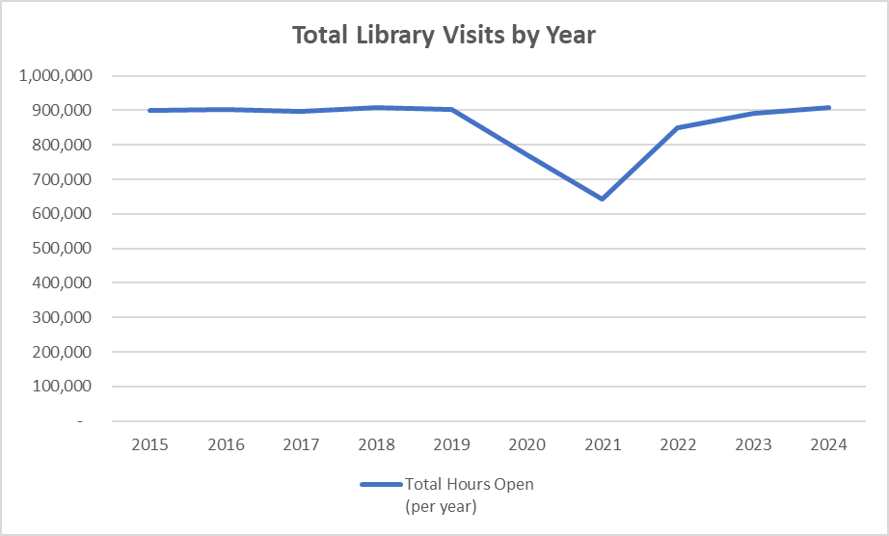
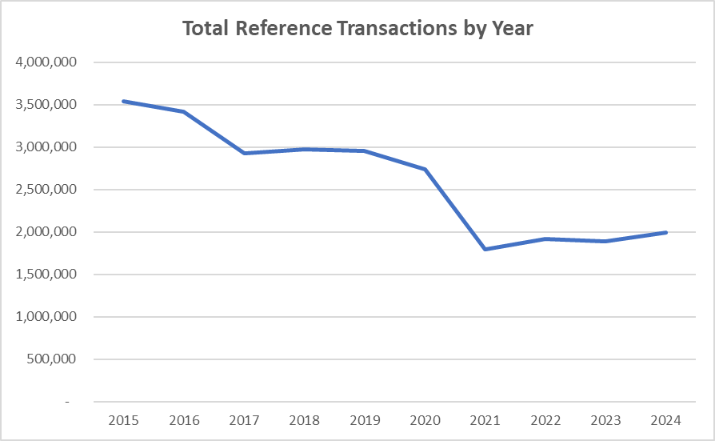

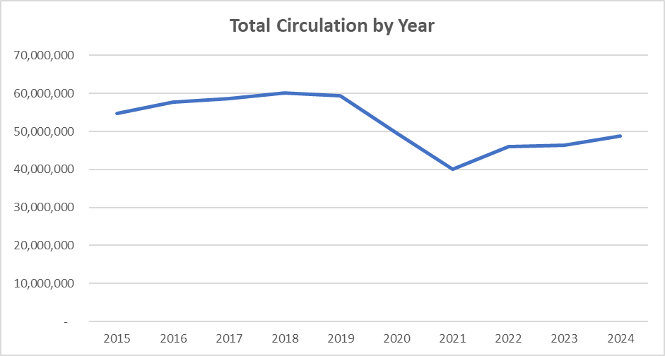
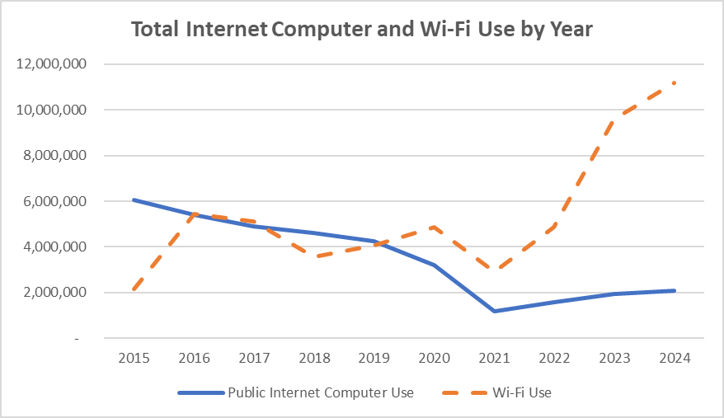

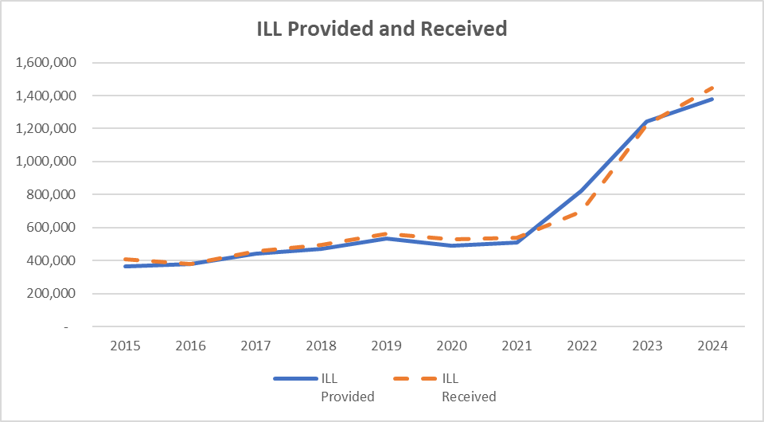

Collections by Year
FY 2024 | Library Collections

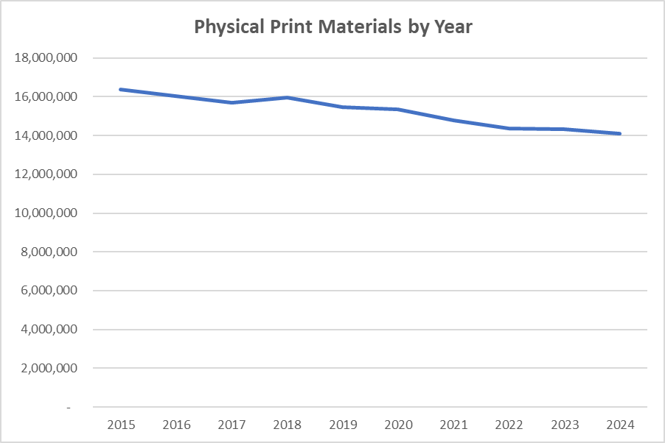
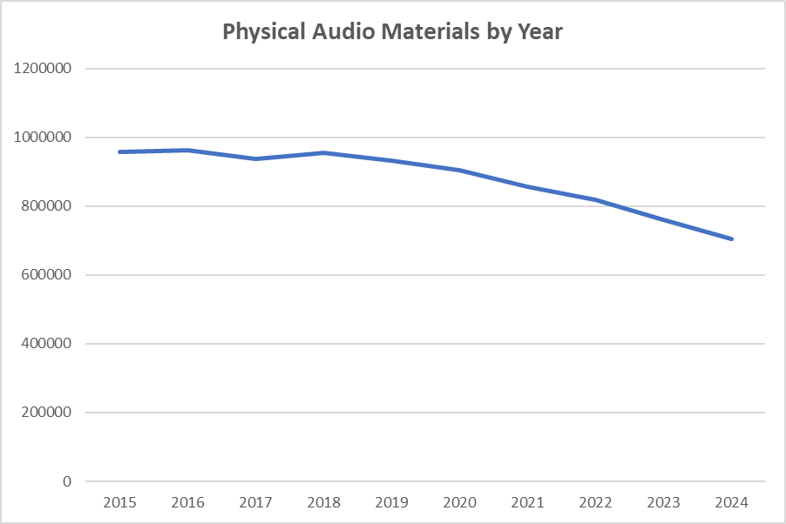

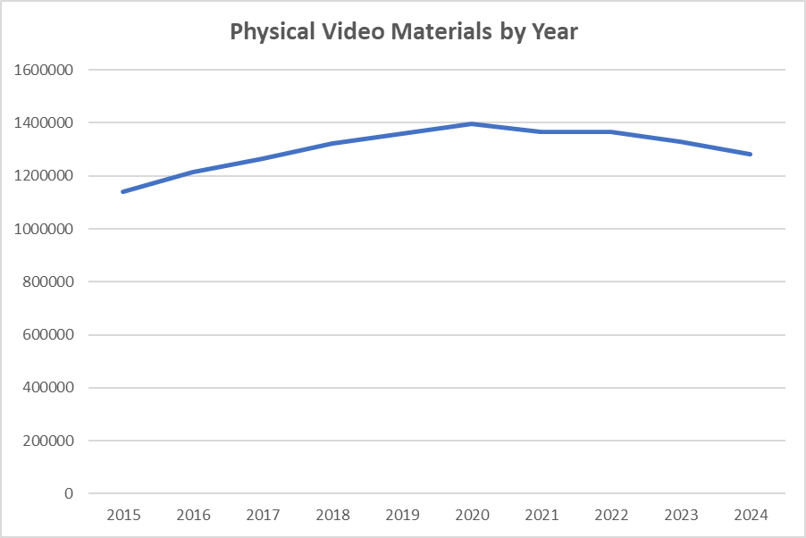

Exp. Pers. by Year
FY 2024 | Staff and Expenditures

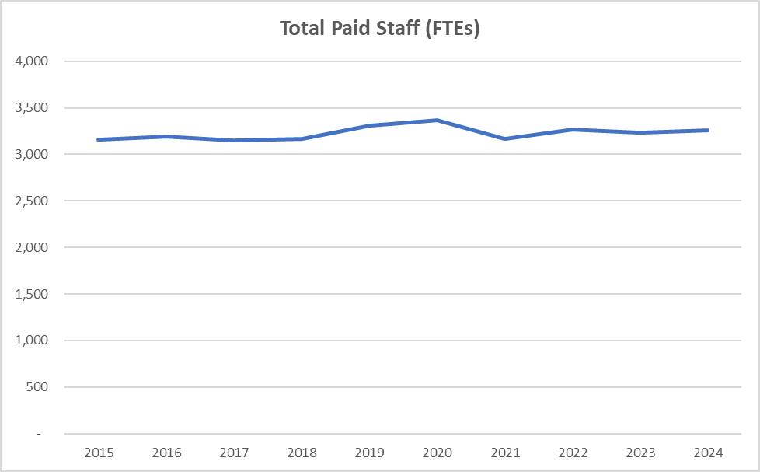
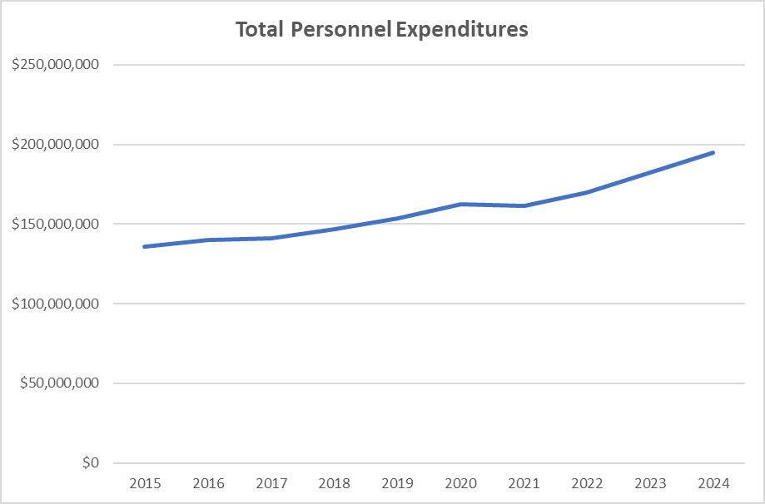

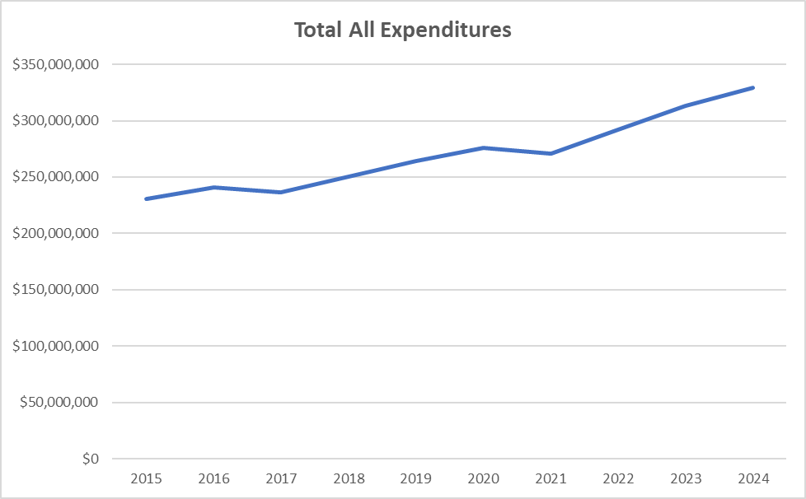
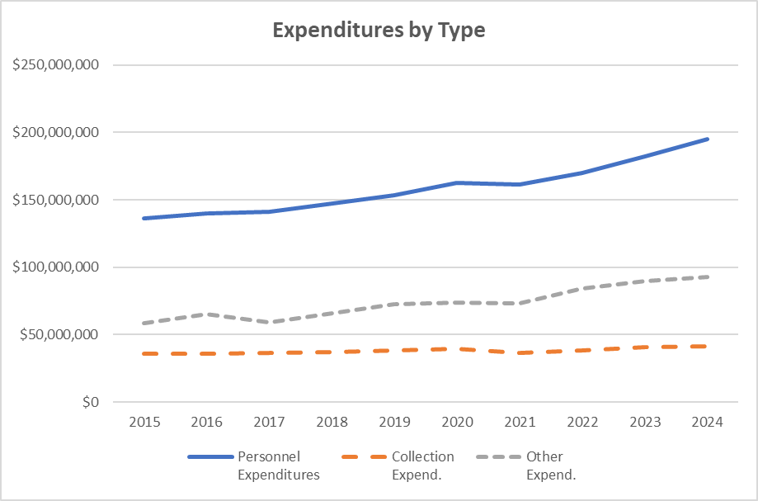

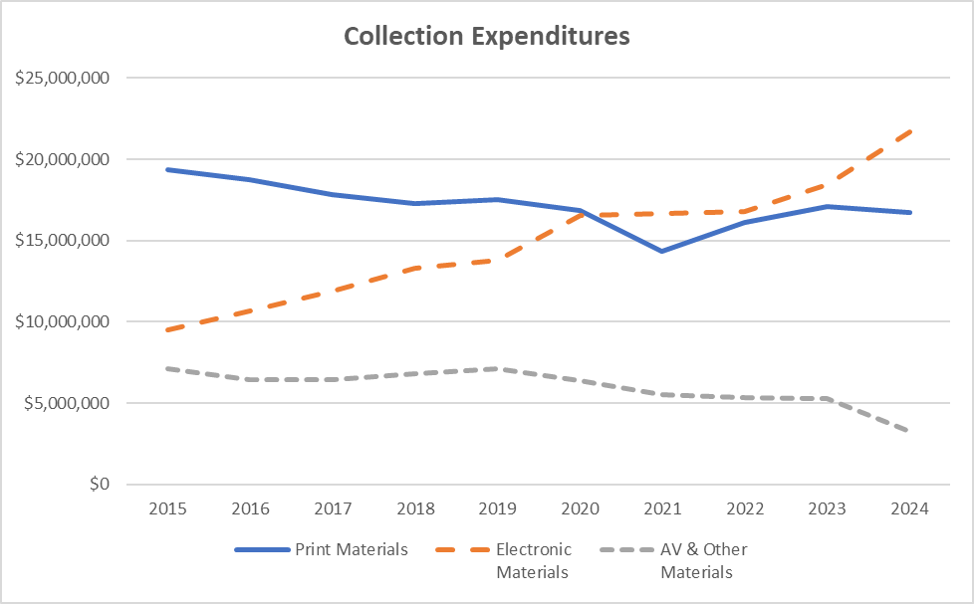

Income by Year
FY 2024 | Library Income

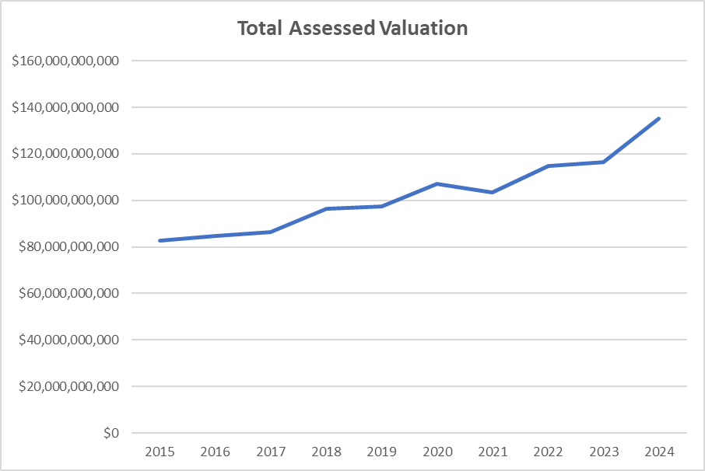
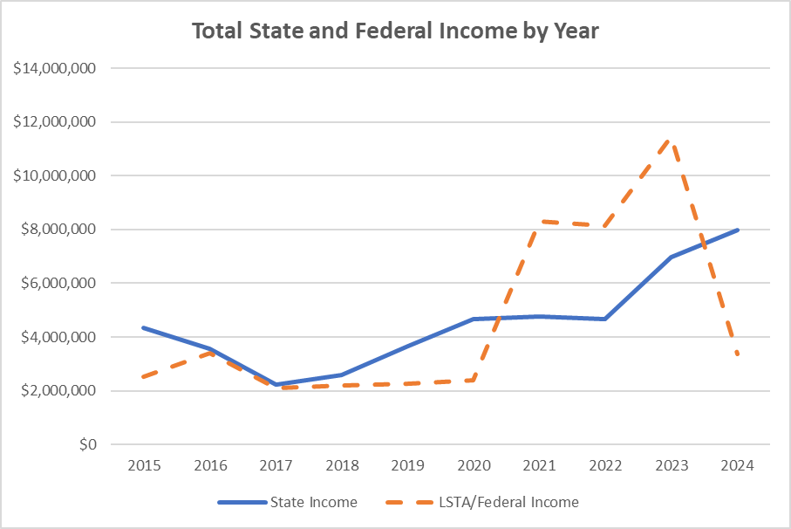

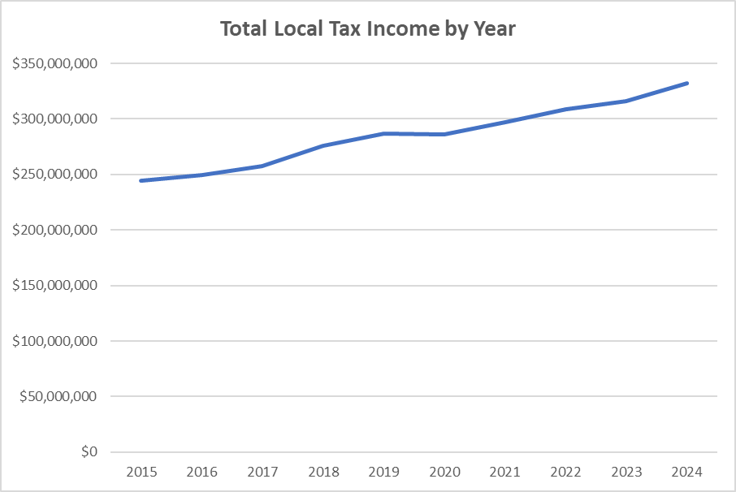
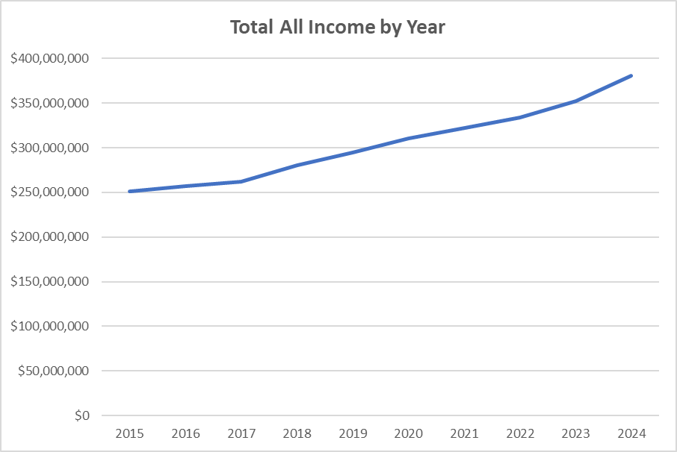

Programs by Year
FY 2024 | Programs

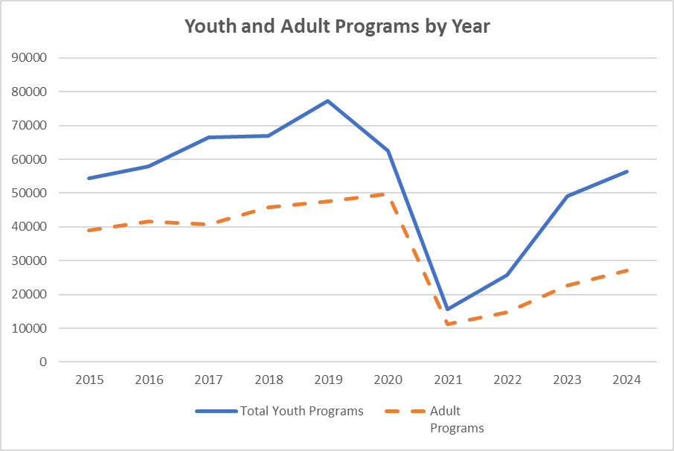
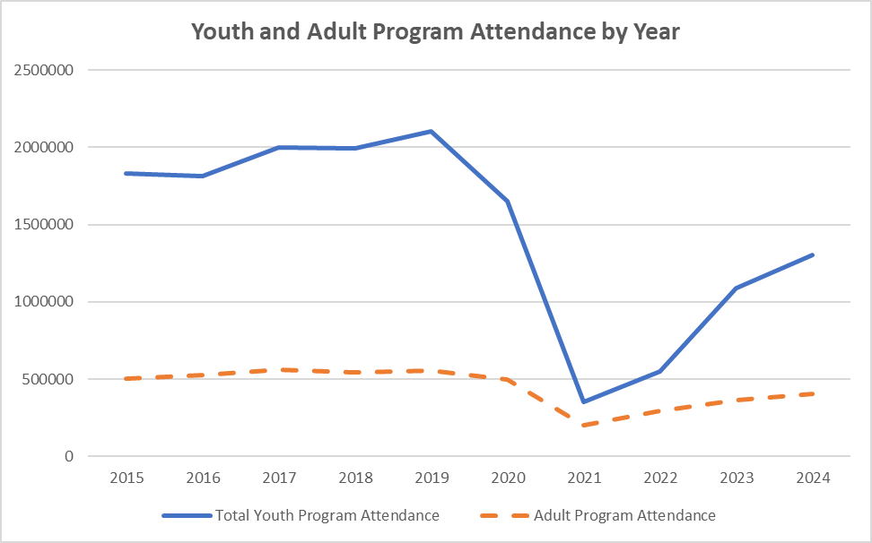

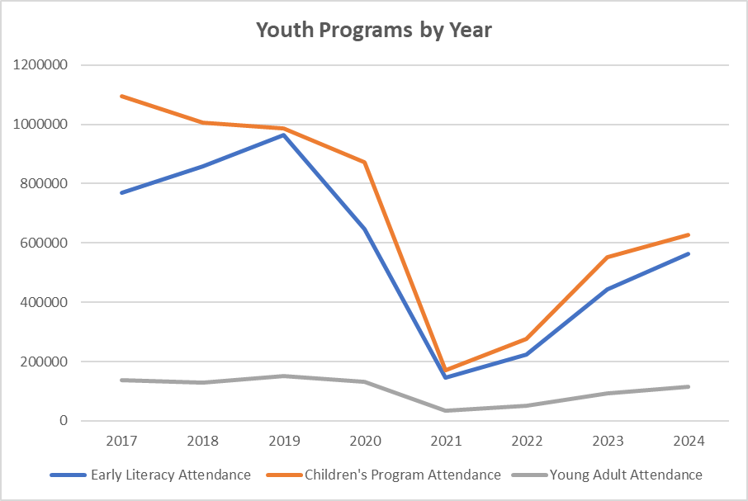
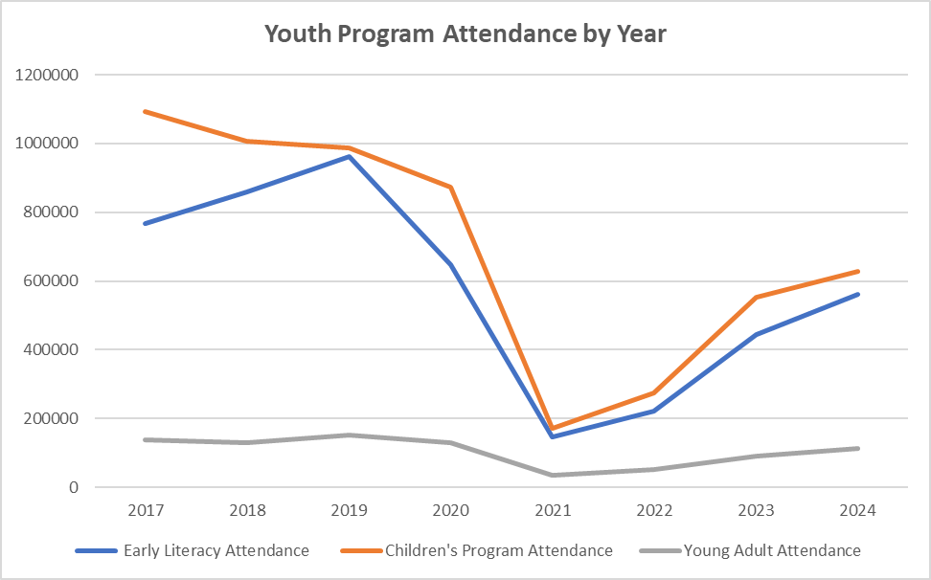

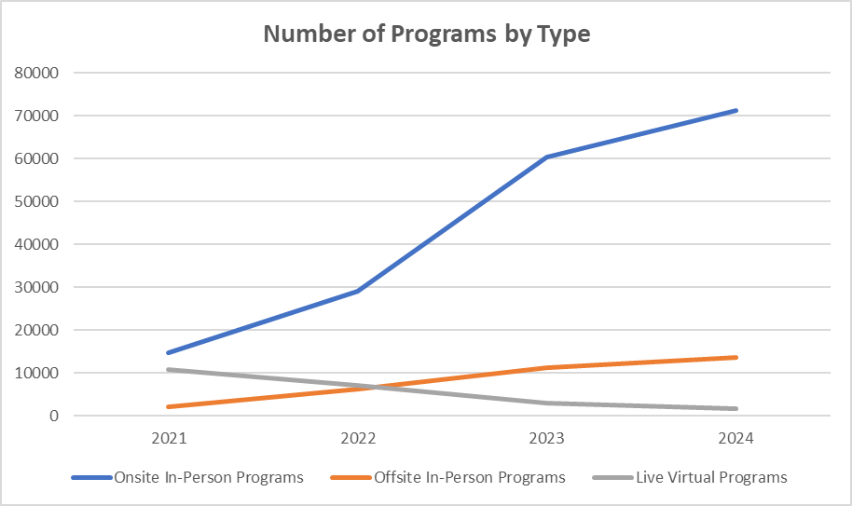
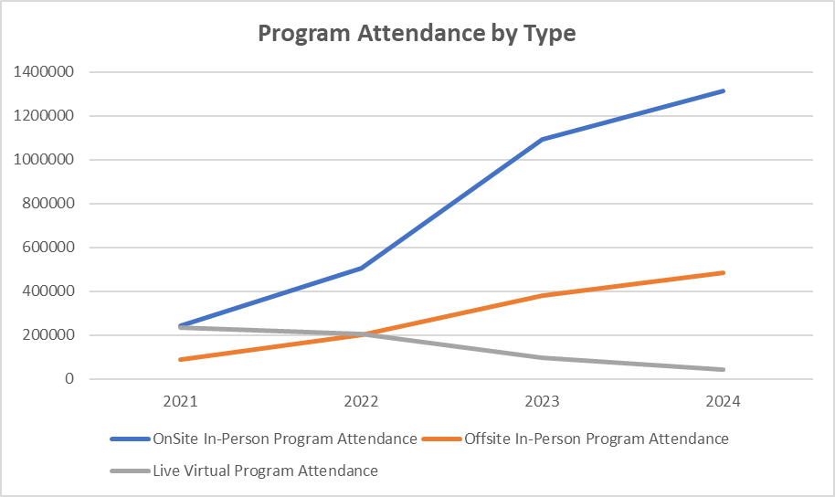

Rev. Exp. by Year
FY 2024 | Usage, Income, and Revenue by Year

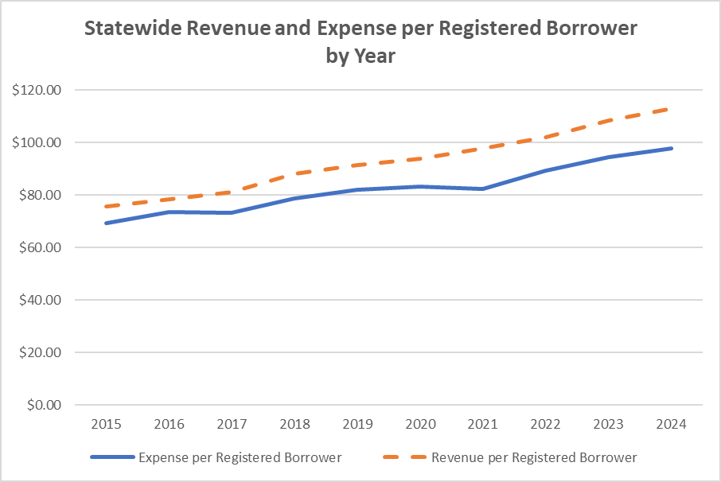
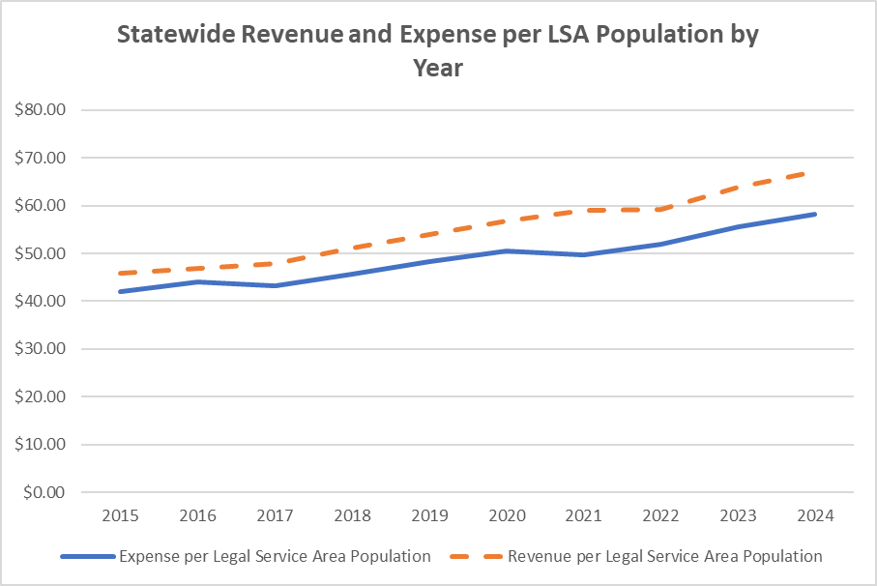

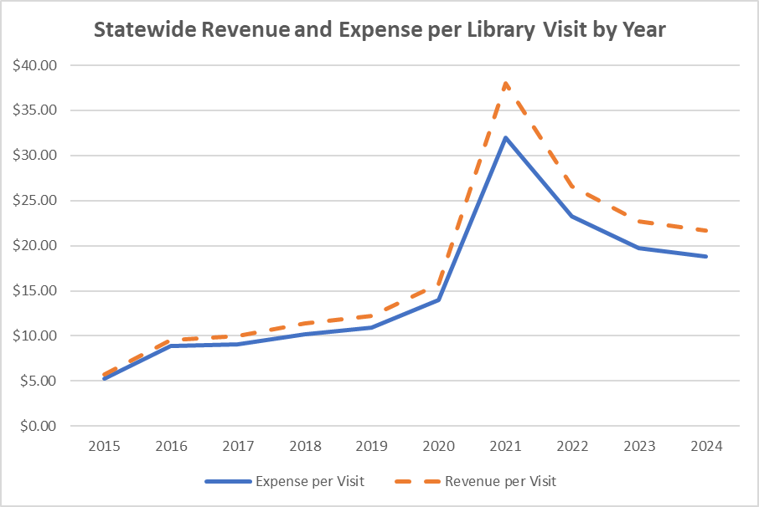
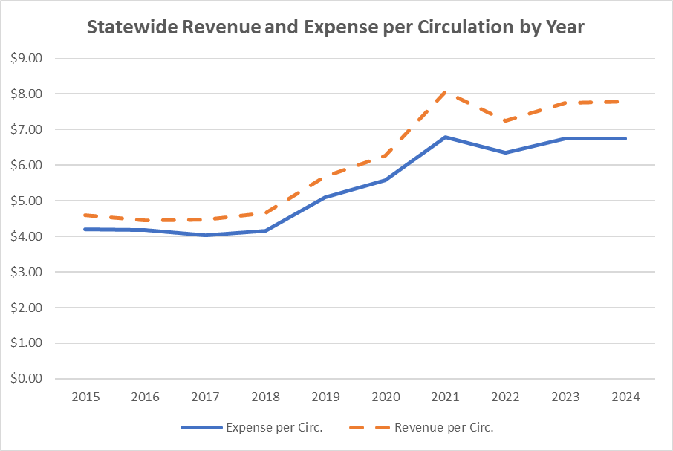

Usage by Year
FY 2024 | Usage and Service by Year

