Summary
 |  | Missouri Public Library Survey 2019 Data

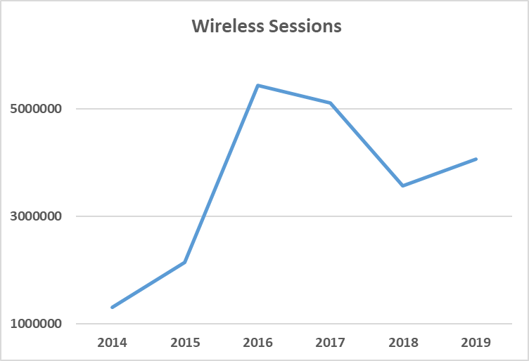
Customers |  | Trends | Operations
Registered borrowers | 3,224,011 |  | Revenue |  | $294,684,782
Library Service Area Population | 5,465,381 |  |  | Local | $269,105,571
Without public library service | 523,546 |  |  | Other | $19,673,490
 |  |  |  | State | $3,649,951
 |  |  |  | Federal | $2,255,770
Services |  |  | Per capita revenue |  | $53.92
Annual visits | 24,163,530
Virtual visits | 26,312,453 |  | Expenses |  | $264,439,199
Internet sessions | 4,238,490 |  |  | Staff | $153,529,422
WiFi uses | 4,059,928 |  |  | Collection | $38,473,627
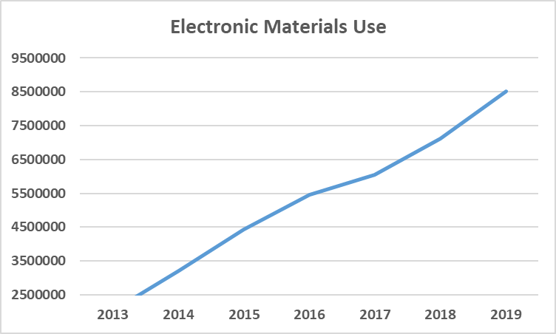
Programs | 124,780 |  |  | Operating | $72,436,150
Children's | 66,626 |  | Per capita expenses |  | $48.38
Youth | 10,651
Adult | 47,503
Program attendance | 2,660,800
Children's | 1,949,908 |  | Collections
Youth | 152,682 |  | Physical materials |  | 15,462,058
Adult | 558,210 |  |  | Audio | 931,985
Hours open per week | 17,916 |  |  | Video | 1,357,422
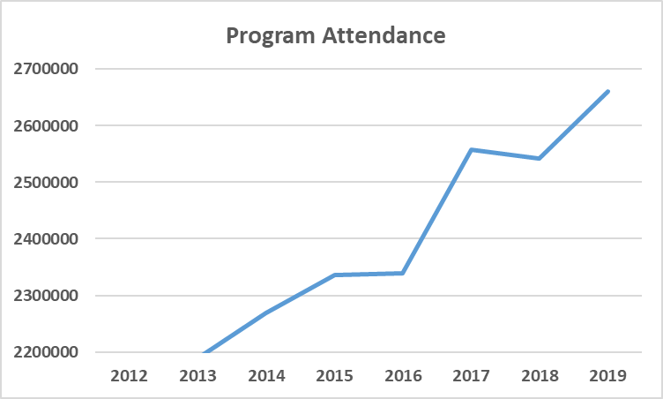
Reference transactions | 2,953,454
 |  |  | Electronic Materials |  | 1,886,211
 |  |  |  | Ebooks | 1,227,076
Library |  |  | Downloadable Audio |  | 605,367
Districts | 151 |  | Downloadable Video |  | 53,768
Physical locations | 366 |  | MOLIB2GO Consortia |  | 52,064
Bookmobiles | 23 |  | Databases |  | 2,614
Staff (FTE) | 3,294 |  | Electronic subscriptions |  | 5,446

Missouri Public Library Survey, 2019

Public libraries in Missouri are required by statute 181.021 RSMO and US Congress (P.L. 103-382, Title IV, National Education Statistics Act of 1994, Sec. 404(a)) to submit annual data. This submission is required in order to be eligible for State Aid funding. The data received from the libraries is used by policy makers at the local, state, and national level.

Each library submits data based on their most recently completed fiscal year, which for 2019 ranged from January 1, 2018 to October 31, 2019. Only one of the 151 library districts did not report in 2019. The data is publicly available at the Missouri State Library: Library Statistics webpage (http://www.sos.mo.gov/library/development/statistics/default) or by request from:

Missouri State Library
Library Development
Cory Mihalik
149 Park Central Square, Suite 624
Springfield, MO 65806
(417)895-5000
cory.mihalik@sos.mo.gov

Report format developed by Joe Manion at the Minnesota Department of Education

