Summary
 |  | Missouri Public Library Survey 2020 Data

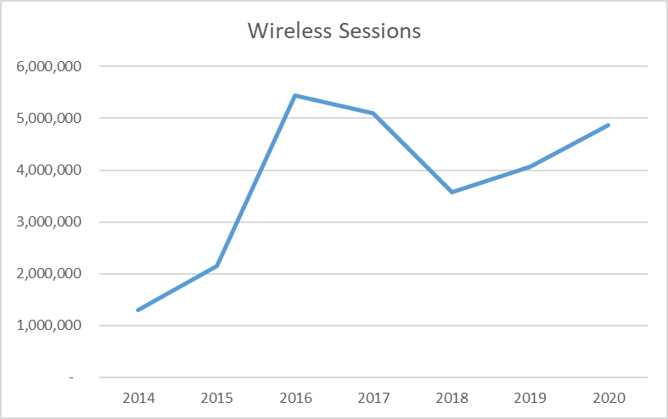
Customers |  | Trends | Operations
Registered borrowers | 3,307,850 |  | Revenue |  | $310,248,790
Library Service Area Population | 5,465,381 |  |  | Local | $287,984,198
Without public library service | 523,546 |  |  | Other | $15,198,767
 |  |  |  | State | $4,664,576
 |  |  |  | Federal | $2,401,249
Services |  |  | Per capita revenue |  | $56.77
Annual visits | 19,757,541
Virtual visits | 32,753,377 |  | Expenses |  | $275,906,810
Internet sessions | 3,200,993 |  |  | Staff | $162,422,194
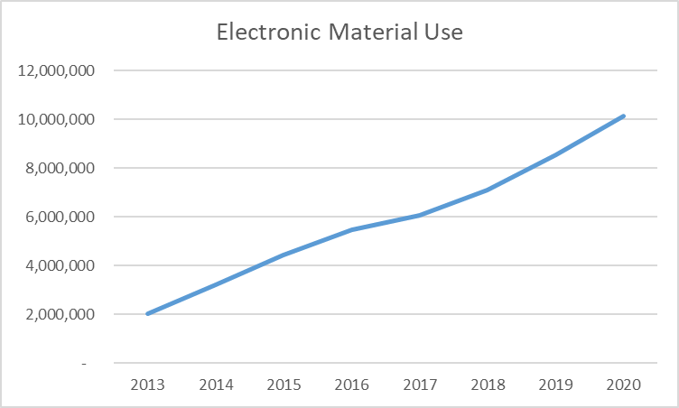
WiFi uses | 4,867,682 |  |  | Collection | $39,795,894
Programs | 112,288 |  |  | Operating | $73,688,722
Children's | 54,424 |  | Per capita expenses |  | $50.48
Youth | 8,129
Adult | 49,735
Program attendance | 2,145,052
Children's | 1,518,742 |  | Collections
Youth | 131,265 |  | Physical materials |  | 17,640,551
Adult | 495,045 |  |  | Audio | 903,671
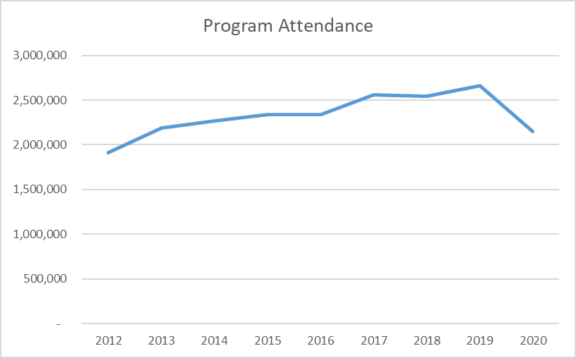
Hours open per week* | 17,571 |  |  | Video | 1,394,977
Reference transactions | 2,743,343
 |  |  | Electronic Materials |  | 2,426,654
 |  |  |  | Ebooks | 1,579,472
Library |  |  | Downloadable Audio |  | 752,050
Districts | 150 |  | Downloadable Video |  | 95,132
Physical locations | 363 |  | MOLIB2GO Consortia |  | 61,572
Bookmobiles | 23 |  | Databases |  | 3,620
Staff (FTE) | 3,365 |  | Electronic subscriptions |  | 20,511

*Total hours open per week based on standard operating hours. Pandemic related closures and reduced hours are not accounted for here.

Missouri Public Library Survey, 2019

Public libraries in Missouri are required by statute 181.021 RSMO and US Congress (P.L. 103-382, Title IV, National Education Statistics Act of 1994, Sec. 404(a)) to submit annual data. This submission is required in order to be eligible for State Aid funding. The data received from the libraries is used by policy makers at the local, state, and national level.

Each library submits data based on their most recently completed fiscal year, which for 2020 ranged from January 1, 2019 to October 31, 2020. Only two of the 150 library districts did not report in 2020. The data is publicly available at the Missouri State Library: Library Statistics webpage (http://www.sos.mo.gov/library/development/statistics/default) or by request from:

Missouri State Library
Library Development
Cory Mihalik
149 Park Central Square, Suite 624
Springfield, MO 65806
(417)895-5000
cory.mihalik@sos.mo.gov

Report format developed by Joe Manion at the Minnesota Department of Education

Yearly
Missouri State Library: FY20 PLS
