Summary
 |  | Missouri Public Library Survey 2021 Data

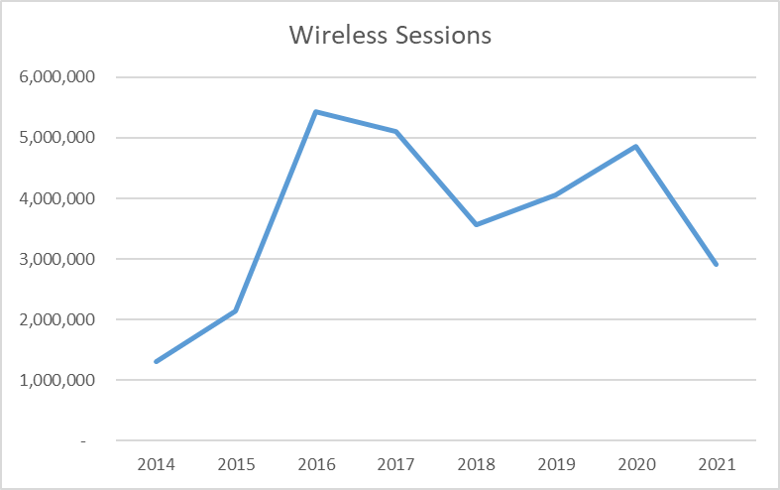
Customers |  | Trends | Operations
Registered borrowers | 3,293,381 |  | Revenue |  | $315,921,308
Library Service Area Population | 5,463,832 |  |  | Local | $292,520,361
Without public library service | 525,095 |  |  | Other | $10,501,845
 |  |  |  | State | $4,590,787
 |  |  |  | Federal | $8,308,315
Services |  |  | Per capita revenue |  | $56.77
Annual visits | 8,488,818
Virtual visits | 36,290,206 |  | Expenses |  | $271,138,972
Internet sessions | 1,185,331 |  |  | Staff | $161,299,437
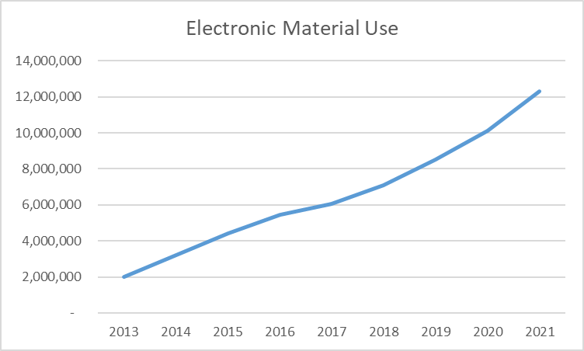
WiFi uses | 2,915,364 |  |  | Collection | $36,493,168
Programs | 26,954 |  |  | Operating | $73,346,367
Children's | 13,167 |  | Per capita expenses |  | $50.48
Youth | 2,564
Adult | 11,223
General Interest | 1,432
Program attendance | 594,251 |  | Collections
Children's | 318,015 |  | Physical materials |  | 16,995,468
Youth | 34,414 |  |  | Print Materials | 14,772,140
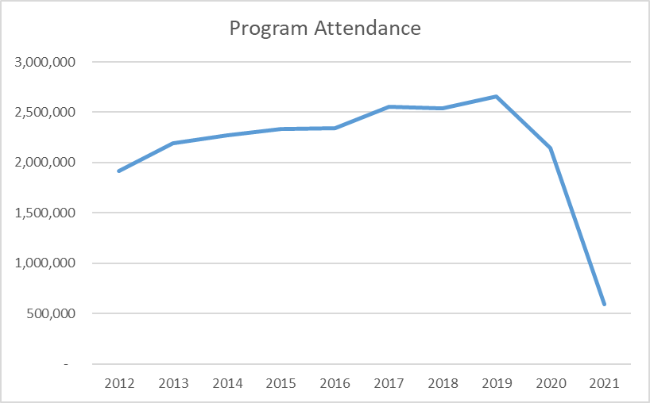
Adult | 201,586 |  |  | Video | 1,366,403
General Interest | 40,236 |  |  | Audio | 856,925
Hours open per week* | 17,370 |  | Electronic Materials |  | 11,189,119
Reference transactions | 1,795,704 |  |  | Ebooks | 7,908,097
 |  |  | Downloadable Audio |  | 2,772,286
 |  |  | Downloadable Video |  | 508,736
Library |  |  | MOLIB2GO Consortia |  | 80,808
Districts | 149 |  | Databases |  | 3,886
Physical locations | 367 |  | Electronic subscriptions |  | 19,037
Bookmobiles | 19
Staff (FTE) | 3,165

*Total hours open per week based on standard operating hours. Pandemic related closures and reduced hours are not accounted for here.

Missouri Public Library Survey, 2020

Public libraries in Missouri are required by statute 181.021 RSMO and US Congress (P.L. 103-382, Title IV, National Education Statistics Act of 1994, Sec. 404(a)) to submit annual data. This submission is required in order to be eligible for State Aid funding. The data received from the libraries is used by policy makers at the local, state, and national level.

Each library submits data based on their most recently completed fiscal year, which for 2021 ranged from January 1, 2020 to October 31, 2021. Only one of the 149 library districts did not report in 2021. The data is publicly available at the Missouri State Library: Library Statistics webpage (http://www.sos.mo.gov/library/development/statistics/default) or by request from:
Missouri State Library
Library Development
Cory Mihalik
149 Park Central Square, Suite 624
Springfield, MO 65806
(417)895-5000
cory.mihalik@sos.mo.gov

Report format developed by Joe Manion at the Minnesota Department of Education

Yearly
FY 20021

