Summary
 |  | Missouri Public Library Survey 2022 Data

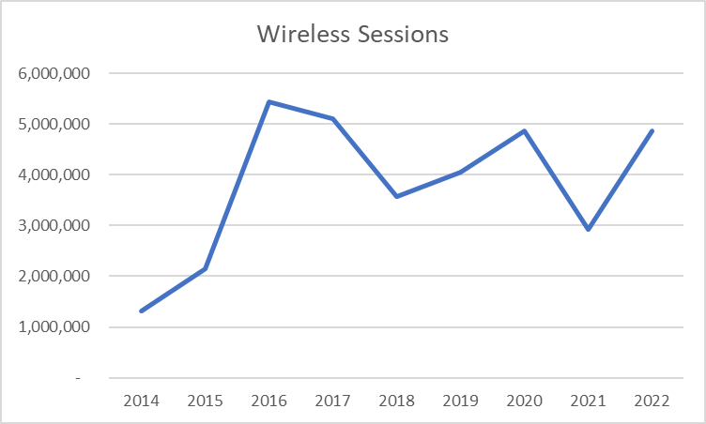
Customers |  | Trends | Operations
Registered borrowers | 3,269,918 |  | Revenue |  | $331,857,281
Library Service Area Population | 5,627,557 |  |  | Local | $308,645,846
Without public library service | 532,724 |  |  | Other | $10,392,213
 |  |  |  | State | $4,672,816
Services |  |  |  | Federal | $8,146,406
Annual visits | 12,556,881 |  | Per capita revenue |  | $58.97
Virtual visits | 38,155,442
Internet sessions | 1,571,654 |  | Expenses |  | $292,263,204
WiFi uses | 4,870,192 |  |  | Staff | $169,683,032
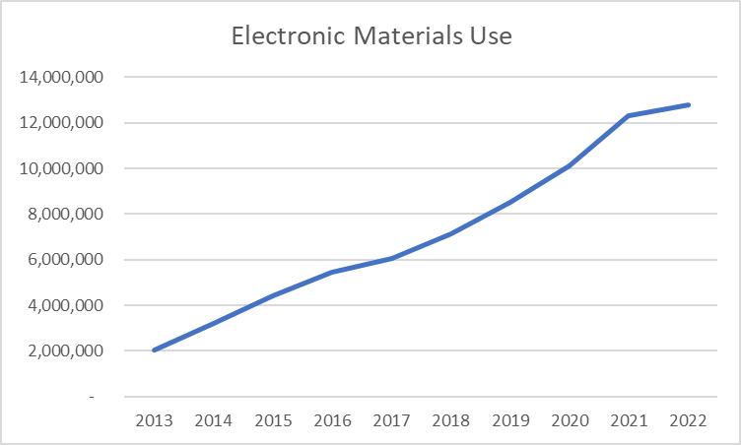
Programs | 42,324 |  |  | Collection | $38,269,601
Early Literacy | 11,711 |  |  | Operating | $84,310,571
Children's | 10,816 |  | Per capita expenses |  | $51.93
Young Adult | 3,329
Adult | 14,811
General Interest | 1,657
Program attendance | 909,611 |  | Collections
Early Literacy | 222,561 |  | Physical materials |  | 16,616,202
Children's | 276,103 |  |  | Print Materials | 14,359,987
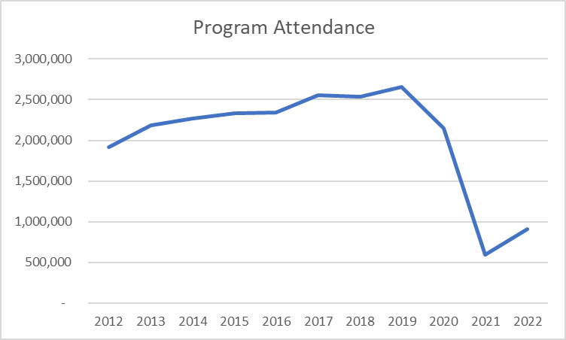
Young Adult | 51,848 |  |  | Video | 819,218
Adult | 295,493 |  |  | Audio | 1,364,811
General Interest | 63,606 |  |  | Other Physical | 72,186
Hours open per week | 16,320 |  | Electronic Materials |  | 12,214,635
Reference transactions | 1,919,198 |  |  | Ebooks | 8,205,345
 |  |  | Downloadable Audio |  | 3,442,836
Library |  |  | Downloadable Video |  | 566,454
Districts | 149 |  | Databases |  | 4,800
Physical locations | 367 |  | Electronic subscriptions |  | 489,112
Bookmobiles | 25
Staff (FTE) | 3,267

Missouri Public Library Survey, 2022

Public libraries in Missouri are required by statute 181.021 RSMO and US Congress (P.L. 103-382, Title IV, National Education Statistics Act of 1994, Sec. 404(a)) to submit annual data. This submission is required in order to be eligible for State Aid funding. The data received from the libraries is used by policy makers at the local, state, and national level.

Each library submits data based on their most recently completed fiscal year, which for 2021 ranged from January 1, 2021 to October 31, 2022. The data is publicly available at the Missouri State Library: Library Statistics webpage (http://www.sos.mo.gov/library/development/statistics/default) or by request from:
Missouri State Library
Library Development
Cory Mihalik
149 Park Central Square, Suite 624
Springfield, MO 65806
(417)895-5000
cory.mihalik@sos.mo.gov

Report format developed by Joe Manion at the Minnesota Department of Education

Yearly
FY22 | Services by Year

