Summary
 |  | Missouri Public Library Survey 2023 Data

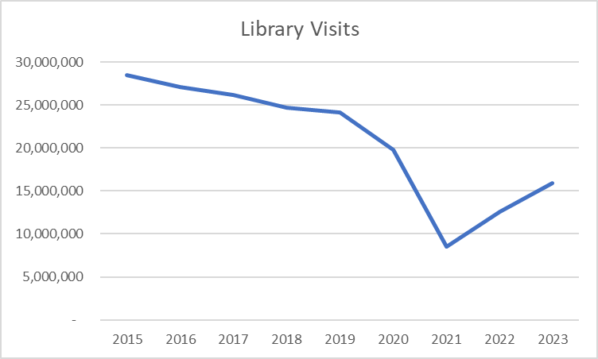
Customers |  | Trends | Operations
Registered borrowers | 3,313,667 |  | Revenue |  | $352,254,126
Library Service Area Population | 5,627,557 |  |  | Local | $316,143,671
Without public library service | 532,724 |  |  | Other | $17,679,118
 |  |  |  | State | $6,977,132
Services |  |  |  | Federal | $11,454,205
Annual visits | 15,870,558 |  | Per capita revenue |  | $62.59
Virtual visits | 39,985,287
Internet sessions | 1,937,979 |  | Expenses |  | $312,998,284
WiFi uses | 9,605,466 |  |  | Staff | $182,186,837
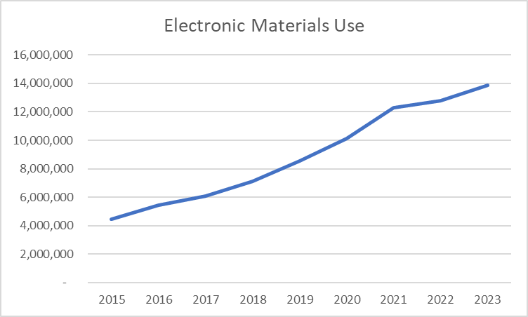
Programs | 74,712 |  |  | Collection | $40,814,193
Early Literacy | 21,036 |  |  | Operating | $89,997,254
Children's | 20,303 |  | Per capita expenses |  | $55.62
Young Adult | 7,828
Adult | 22,742
General Interest | 2,803
Program attendance | 1,566,274 |  | Collections
Early Literacy | 553,130 |  | Physical materials |  | 16,532,885
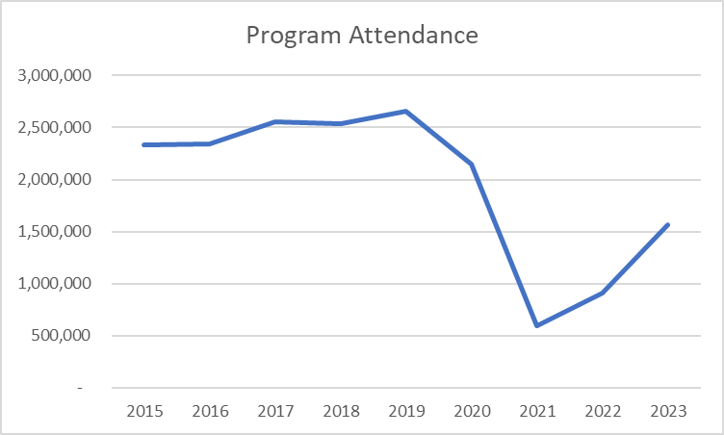
Children's | 443,349 |  |  | Print Materials | 14,331,811
Young Adult | 91,742 |  |  | Video | 760,090
Adult | 367,206 |  |  | Audio | 1,328,059
General Interest | 110,847 |  |  | Other Physical | 112,925
Hours open per week | 17,436 |  | Electronic Materials |  | 11,750,375
Reference transactions | 1,885,392 |  |  | Ebooks | 7,762,236
 |  |  | Downloadable Audio |  | 3,603,887
Library |  |  | Downloadable Video |  | 384,252
Districts | 149 |  | Databases |  | 4,817
Physical locations | 368 |  | Electronic subscriptions |  | 564,838
Bookmobiles | 21
Staff (FTE) | 3,230

Missouri Public Library Survey, 2023

Public libraries in Missouri are required by statute 181.021 RSMO and US Congress (P.L. 103-382, Title IV, National Education Statistics Act of 1994, Sec. 404(a)) to submit annual data. This submission is required in order to be eligible for State Aid funding. The data received from the libraries is used by policy makers at the local, state, and national level.

Each library submits data based on their most recently completed fiscal year, which for 2023 ranged from January 1, 2022 to October 31, 2023. The data is publicly available at the Missouri State Library: Library Statistics webpage (http://www.sos.mo.gov/library/development/statistics/default) or by request from:
Missouri State Library
Library Development
Cory Mihalik
149 Park Central Square, Suite 624
Springfield, MO 65806
(417)895-5000
cory.mihalik@sos.mo.gov

Report format developed by Joe Manion at the Minnesota Department of Education

By Year
Missoui State Library: FY23 PLS | By Year

