Circ and Services by Year
Missouri State Library: FY25 PLS | Circulation and Services

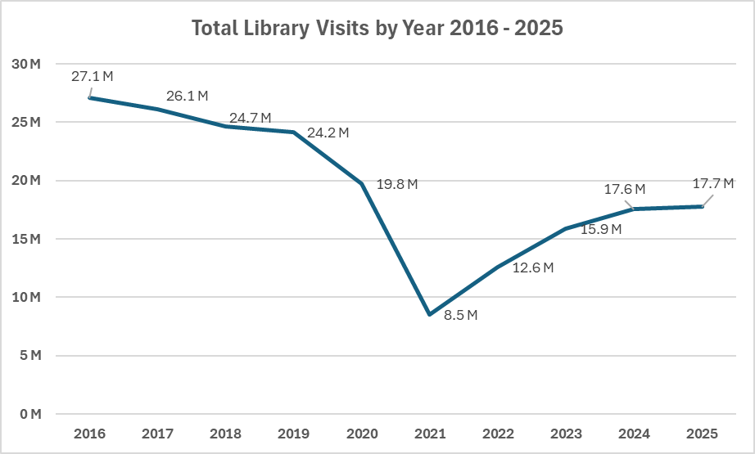
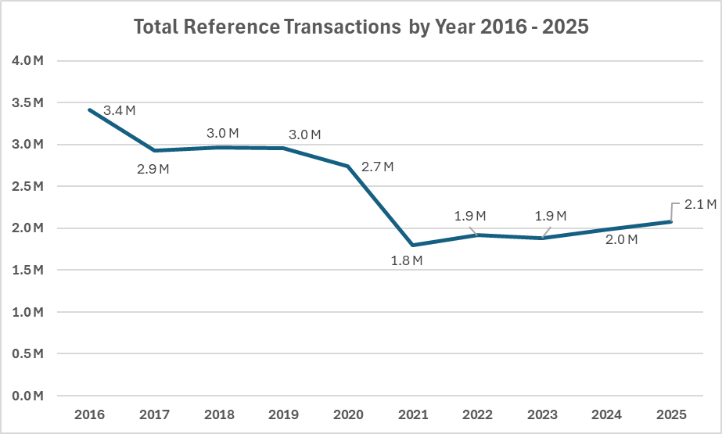

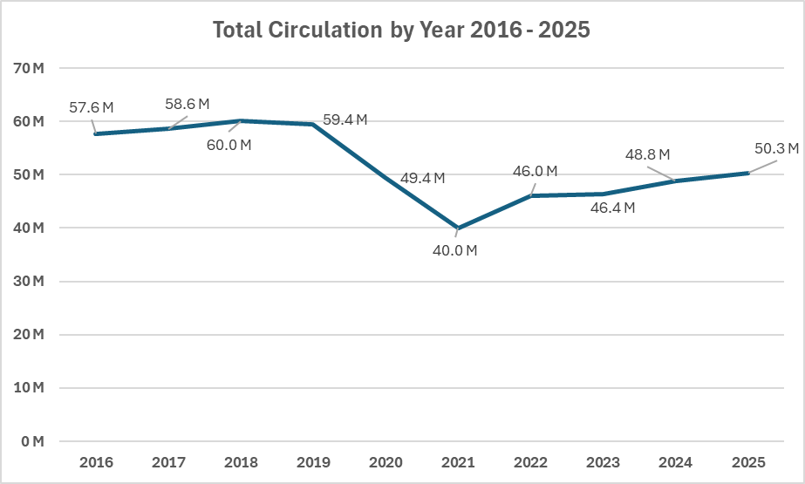
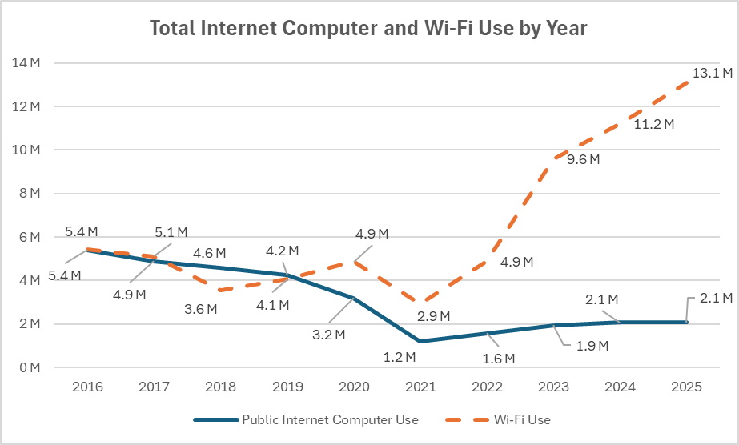

Interlibrary Loans Provided and Received by Year
 | ILL Provided | ILL Received
2016 | 379028 | 378550
2017 | 441377 | 456185
2018 | 469386 | 494819
2019 | 531518 | 560753
2020 | 489044 | 526171
2021 | 508875 | 539036
2022 | 824849 | 698563
2023 | 1243043 | 1222014
2024 | 1376800 | 1444786
2025 | 1375817 | 1432134

