Statewide Summary
 |  | Missouri Public Library Survey 2025 Data

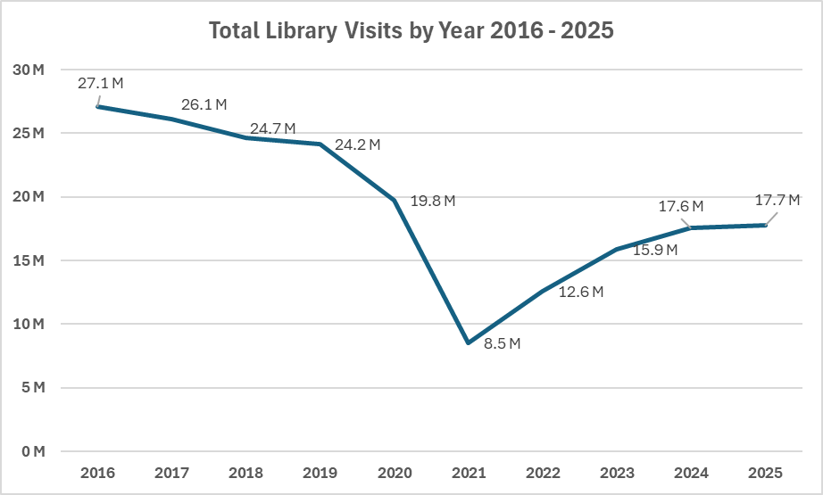
Customers |  | Trends | Operations
Registered borrowers | 3,386,800 |  | Revenue |  | $405,999,084
Library Service Area Population | 5,668,852 |  |  | Local | $360,262,006
Without public library service | 486,061 |  |  | Other | $35,929,419
 |  |  |  | State | $7,759,168
Services |  |  |  | Federal | $2,048,491
Annual visits | 17,739,552 |  | Per capita revenue |  | $71.62
Annual Circulation | 50,309,779
Internet sessions | 2,068,927 |  | Expenses |  | $351,400,117
WiFi uses | 13,101,397 |  |  | Staff | $212,632,107
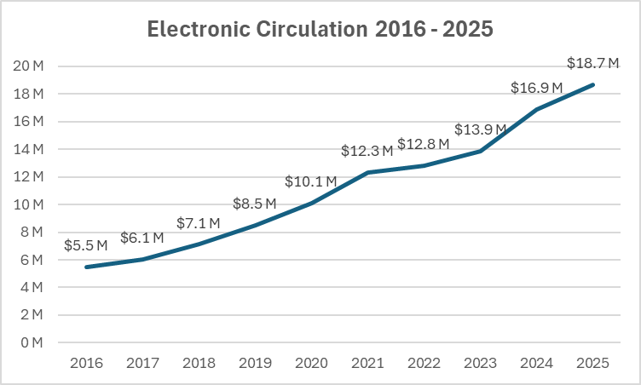
Programs | 86,960 |  |  | Collection | $46,959,628
Early Literacy | 24,742 |  |  | Operating | $91,808,382
Children's | 23,070 |  | Per capita expenses |  | $61.99
Young Adult | 8,615
Adult | 26,724
General Interest | 3,809
Program attendance | 1,904,620 |  | Collections
Early Literacy | 560,526 |  | Number Physical materials
Children's | 650,535 |  |  | Print Books | 13,855,076
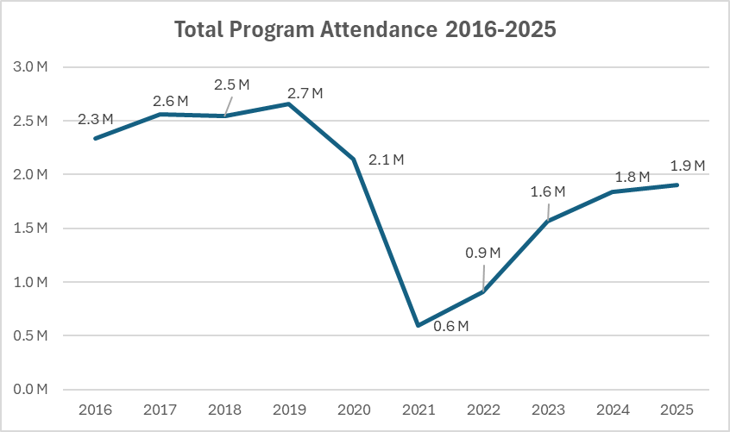
Young Adult | 104,967 |  |  | Video | 1,205,631
Adult | 417,508 |  |  | Audio | 630,451
General Interest | 171,084 |  |  | Other Physical | 67,237
Hours open per week | 17,454
Reference transactions | 2,081,127 |  | Electronic Circulation
 |  |  |  | eBooks | 7,934,575
Library |  |  |  | eAudio | 8,705,253
Districts | 150 |  |  | eVideo | 499,229
Physical locations | 373 |  |  | eSerials | 1,544,601
Bookmobiles | 20
Staff (FTE) | 3,289

Missouri Public Library Survey, 2025

Public libraries in Missouri are required by statute 181.021 RSMO and US Congress (P.L. 103-382, Title IV, National Education Statistics Act of 1994, Sec. 404(a)) to submit annual data. This submission is required in order to be eligible for State Aid funding. The data received from the libraries is used by policy makers at the local, state, and national level.

Each library submits data based on their most recently completed fiscal year, which for 2025 ranged from January 1, 2024 to October 31, 2025. The data is publicly available at the Missouri State Library: Library Statistics webpage (http://www.sos.mo.gov/library/development/statistics/default) or by request from:
Missouri State Library
Library Development
Cory Mihalik
149 Park Central Square, Suite 624
Springfield, MO 65806
(417)895-5000
cory.mihalik@sos.mo.gov

Report format developed by Joe Manion at the Minnesota Department of Education

5 Year Trends
2016 - 2025

